Student T Test-Mattey
FG |  |  | SG
28/04/05 | 0.0002885 |  | 23/06/05 | -0.00007814
26/05/05 | 0.00008419 |  | 23/07/05 | -0.00001211
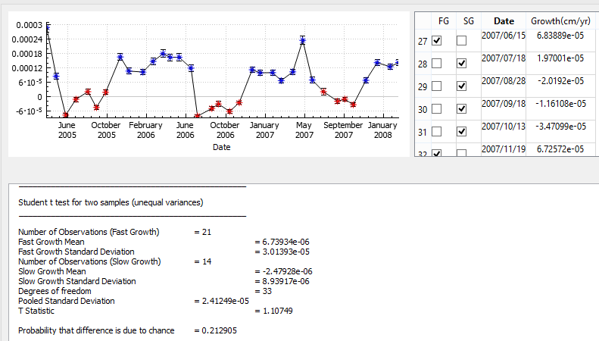
30/11/05 | 0.0001648 |  | 27/0805 | 0.00001963
25/12/05 | 0.0001058 |  | 21/09/05 | -0.00004619
2006-04-02 | 0.0001018 |  | 18/10/05 | 0.00001699
2006-03-06 | 0.0001465 |  |  | -0.00008264
2006-04-04 | 0.0001784 |  |  | -0.0000506
24/05/06 | 0.0001635 |  |  | -0.0000316
21/05/06 | 0.0001635 |  |  | -0.00006271
25/06/06 | 0.0001181 |  |  | -0.00002651
 | 0.0001113 |  |  | 0.0000197
 | 0.00009864 |  |  | -0.000020192
 | 0.00009926 |  |  | -0.00001161
 | 0.000066 |  |  | -0.00003471
 | 0.0001026
 | 0.0002345
 | 0.000068389
 | 0.00006725
 | 0.0001409
 | 0.0001241
 | 0.0001415

 | FG |  |  | SG
Mean | 0.00013188233333 |  | Mean | -2.8620857143E-05
STD | 5.3809047021E-05 |  | STD | 3.2459725786E-05
Var | 2.8954135413E-09 |  | Var | 1.0536337981E-09
Count | 21 |  | Count | 14 |  |  | t-Test: Two-Sample Assuming Unequal Variances
Sum | 0.002769529 |  |  | -0.000400692
 |  |  |  |  |  |  |  | Variable 1 | Variable 2
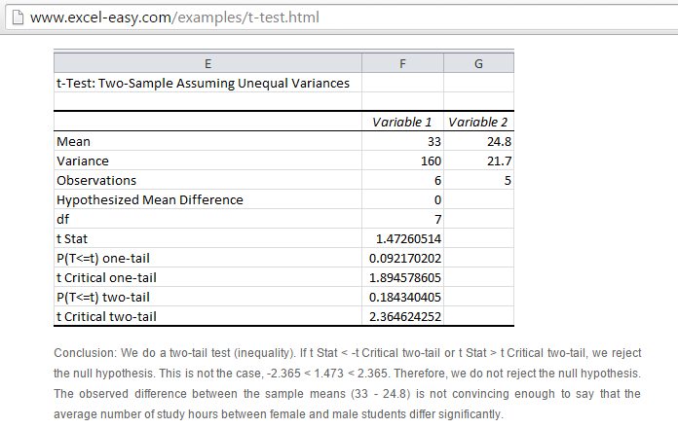
t-Test: Two-Sample Assuming Unequal Variances |  |  |  |  |  |  | Mean | 0.00013188233333 | -2.8620857143E-05
 |  |  |  |  |  |  | Variance | 3.0401842183E-09 | 1.1346825518E-09
 | Variable 1 | Variable 2 |  |  | 2.4529093512E-08 | 2.4521455093E-09 | Observations | 21 | 14
Mean | 0.00013188233333 | -2.8391692308E-05 |  |  | 2.2745586588E-09 | 2.7260840359E-10 | Hypothesized Mean Difference | 0
Variance | 3.0401842183E-09 | 1.2284429306E-09 |  |  | 1.0835727788E-09 | 2.328145215E-09 | df | 33
Observations | 21 | 13 |  |  | 6.8028811211E-10 | 3.0867478073E-10 | t Stat | 10.680781128
Hypothesized Mean Difference | 0 |  |  |  | 9.0494677878E-10 | 2.0803502893E-09 | P(T<=t) one-tail | 1.5167125941E-12
df | 32 |  |  |  | 2.1367617878E-10 | 2.918067795E-09 | t Critical one-tail | 1.692360309
t Stat | 10.361494246 |  |  |  | 2.1638933121E-09 | 4.8308272073E-10 | P(T<=t) two-tail | 3.0334251883E-12
P(T<=t) one-tail | 4.7208417387E-12 |  |  |  | 9.9967684544E-10 | 8.8752921633E-12 | t Critical two-tail | 2.0345152974
t Critical one-tail | 1.6938887484 |  |  |  | 9.9967684544E-10 | 1.1620696607E-09
P(T<=t) two-tail | 9.4416834774E-12 |  |  |  | 1.8995271211E-10 | 4.4557178776E-12
t Critical two-tail | 2.0369333435 |  |  |  | 4.2363244544E-10 | 2.334905235E-09
 |  |  |  |  | 1.1050527254E-09 | 7.1045632735E-11
>> We reject null-Hypothesis 10.3 The observed difference between |  |  |  |  | 1.0642166321E-09 | 2.8936926073E-10
the means is significant with 95% |  |  |  |  | 4.3404818454E-09 | 3.7077660735E-11
 |  |  |  |  | 8.5745504544E-10
 |  |  |  |  | 1.0530385512E-08
 |  |  |  |  | 4.0314033778E-09
 |  |  |  |  | 4.1773385121E-09
 |  |  |  |  | 8.1318312111E-11
 |  |  |  |  | 6.0564712111E-11
 |  |  |  |  | 9.2499512111E-11

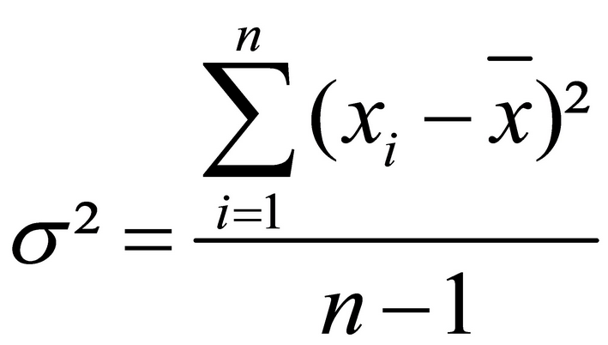
 |  |  |  | Sum | 6.0803684367E-08 | 1.4750873174E-08
 |  |  |  |  | FG | SG
 |  |  |  | Varience | 3.0401842183E-09 | 1.1346825518E-09

